Chicken Riggies
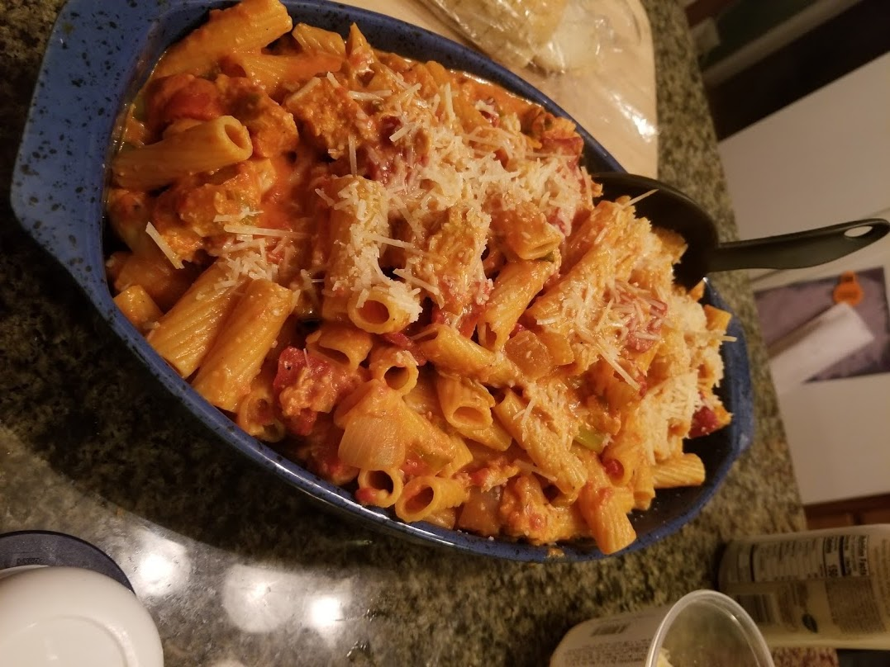
Danno's Kickin' Chicken Riggies |  |  |  |  | Serves |  | 6 | People |  | Cost Per Serving |  |  | $8.00
 |  |  |  |  |  |  |  |  |  |  | Unit Converter
 |  |  |  |  |  |  |  |  |  |  | Input | from | to | Output:
Standard Serving Feeds: | 6 |  | Cooking for: | 6 |  |  |  |  |  |  | 4 | cup | oz | 32
Prep Time | 45 Minutes |  | Batch Size: | 100% |  |  |  |  |  |  | 28 | oz | pt | 1.75
Total Time | 1 Hour |  | Overall Cost | $47 |  |  |  |  |  |  | 1 | lbm | ozm | 16
 |  |  | Cost Per Person | $7.84 |  |  |  |  |  |  | 375° | F | C | 191°
Optional: Substitute bulk Italian Sausage for Chicken Breast
 | Single Batch |  | Total |  |  |  |  |  |  |  | Shopping List
Ingredient: | Amount | Unit | Batch Amount | Description | Cost per unit |  | Batch Cost | Minimum Packaging |  |  | Quantity | Price
Rigatoni Pasta | 1 | lb | 1 lb | Cooked al dente | $1.49 | lb | $1.49 | 1 | lb | $1.49 | 1 | $1.49
Boneless Skinless Chicken Breast | 1.5 | lb | 1.5 lb | Baked and Cubed | $2.99 | lb | $4.49 | 5 | lb | $14.95 | 1 | $14.95
Vidalia Sweet Onion | 1 | each | 1 each | Diced | $0.83 | each | $0.83 | 1 | each | $0.83 | 1 | $0.83
Roasted Red Peppers | 8 | oz | 8 oz | Drained, Chopped | $0.28 | oz | $2.24 | 16 | oz | $4.48 | 1 | $4.48
Crushed Red Tomatoes | 1.75 | pt | 1.75 pt | Sauce Base | $0.56 | pt | $0.98 | 1.75 | pt | $0.98 | 1 | $0.98
Heavy Cream | 6 | oz | 6 oz | Sauce Finish | $0.16 | oz | $0.93 | 32 | oz | $4.98 | 1 | $4.98
Pecorino Romano Cheese (Shredded) | 0.75 | cup | 0.75 cup | For Serving | $6.65 | cup | $4.99 | 0.75 | cup | $4.99 | 1 | $4.99
Frank's Red Hot Sauce | 6 | oz | 6 oz | Adjust amount to taste | $0.23 | oz | $1.38 | 12 | oz | $2.76 | 1 | $2.76
Butter | 0.25 | cup | 0.25 cup | For Sauce | $0.50 | cup | $0.13 | 1 | cup | $0.50 | 1 | $0.50
Long Hot Green Italian Peppers | 4 | each | 4 each | Seeded and Julienned | $0.64 | each | $2.56 | 1 | each | $0.64 | 4 | $2.56
Italian Sweet Pepper | 1 | each | 1 each | Seeded and Chopped | $1.28 | each | $1.28 | 1 | each | $1.28 | 1 | $1.28
Red Cherry Peppers | 3 | each | 3 each | Seeded and Julienned | $0.25 | each | $0.75 | 18 | each | $4.50 | 1 | $4.50
Pablano Peppers | 1 | each | 1 each | Seeded and Chopped | $1.07 | each | $1.07 | 1 | each | $1.07 | 1 | $1.07
Garlic Cloves | 3 | each | 3 each | Chopped | $0.33 | each | $0.99 | 5 | each | $1.65 | 1 | $1.65

 |  |  |  |  |  |  |  |  | Total Cost of Batch Ingredients |  |  |  | $24.10
 |  |  |  |  |  |  |  |  | Total Cost of Shopping List |  |  |  | $47.02
Instructions |  |  |  |  |  |  |  |  |  |  | www.DanDiscoversTheWorld.com
Step 1 - Prepare Chicken
 | Preheat oven to 375°F
 | Hand-trim boneless chicken breasts to remove any excess fat
 | Add chicken to shallow roasting pan, and add ~3 ounces of Frank's Red Hot, along with 1 clove of garlic (chopped)
 | Cover chicken thoroughly in sauce and garlic. Place in oven for ~45 minutes or until chicken has reached 165° Fahrenheit (75° Celsius)
 | Begin work on Step 2 at this point
 | When finished, remove from oven and cut chicken into bite-size pieces
 | Optional: Chicken may be cubed and pan-fried instead of baking if preferred

Step 2 - Prepare Sauce
 | In a large sauce pan, combine Crushed Tomatoes, Butter, and Frank's Red Hot
 | Stir thoroughly over medium heat
 | Begin work on Step 3 at this point
 | Once sauce comes to a simmer stir in heavy cream. Add crushed red pepper, paprika, garlic salt, oregano, and parsley to taste.
 | Simmer for additional 3-5 minutes, then reduce heat. Add 1/3rd of Pecorino Romano cheese to sauce

Step 3 - Prepare Pasta
 | In a large pot, bring 4 quarts of water per 1 pound of rigatoni to boil
 | Move to step 4 while waiting for water to boil
 | Add rigatoni and cook 10-12 minutes, or until al dente
 | Strain pasta, add 1-2 ounces of olive oil to prevent sticking, and set aside

Step 4 - Prepare Vegetables
 | Seed, Rinse, and clean all vegetables.
 | Chop or Julienne Peppers, onion, and remaining garlic as described in ingredients table
 | Using a large seasoned cast-iron, stainless, or similar pan, add olive oil and bring to medium/high heat
 | Once pan is up to temperature, add long hot green italian peppers, italian sweet peppers, poblano peppers, and vidalia onion to pan
 | Sautee vegetables until onions become lightly browned, careful not to burn any vegetables
 | Add roasted red peppers, hot cherry peppers, and garlic at this time
 | Finish sauce at this time if not already done
 | Continue to sautee for 3-5 minutes, then add contents of pan directly to finished sauce

Step 5 - Combination
 | Finish all remaining steps for Sauce, Pasta, and Vegetables if not already done
 | Remove sauce/vegetable combination from burner
 | Add chicken from Step 1 (cut into bite size pieces) to the pasta
 | Add entire contents of sauce pot to the pasta at this time
 | Add another 1/3rd of pecorino romano cheese, ground black pepper to taste
 | Stir thoroughly

Step 6 - Serving
 | If desired, move finished contents of pot to a ceramic serving dish, and sprinkle remaining 1/3rd of pecorino romano cheese on top
 | Serve with choice of sides and keep remaining dish warm in oven if desired
 | Enjoy!

